Try Models
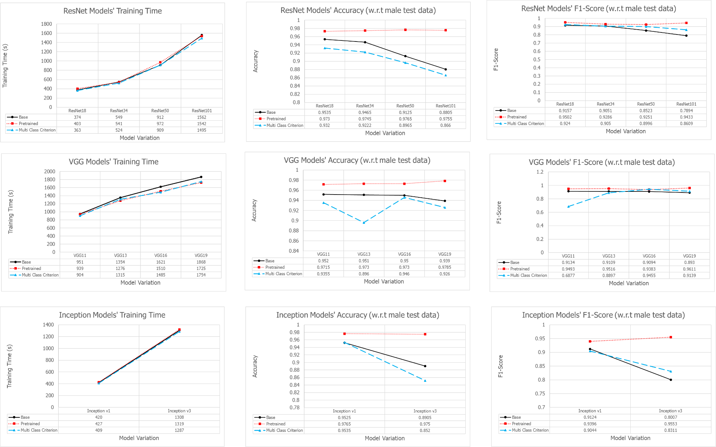
Pekerja | Model (pretrained = Yes) atau weights = Model_Weights.DEFAULT |  |  | Epoch | Learning Rate | Optimizer | Criterion
 |  |  |  |  |  |  |  | Test (Best Model) (terhadap 1.00) |  |  |  | Waktu Training | Waktu Training (s) | Best Test Acc | Machine
 | VGG | ResNet | GoogleNet |  |  |  |  | Accuracy | Precision | Recall | F1-Score
Bella |  | 18 |  | 10 | 0.0001 | adam | BCEWithLogitsLoss | 0.972 | 0.9212 | 0.9616 | 0.941 | 2m 37s | 157 | 0.9720 | GPU T4 x2 Kaggle
 |  | 18 |  | 50 | 0.0001 | adam | BCEWithLogitsLoss | 0.976 | 0.9282 | 0.9689 | 0.9481 | 12m 52s | 772 | 0.9760 | GPU T4 x2 Kaggle
 |  | 18 |  | 25 | 0.0001 | adam | BCEWithLogitsLoss | 0.973 | 0.9409 | 0.9598 | 0.9502 | 6m 43s | 403 | 0.9730 | GPU T4 x2 Kaggle
 |  | 34 |  | 25 | 0.0001 | adam | BCEWithLogitsLoss | 0.9745 | 0.8869 | 0.9744 | 0.9286 | 9m 1s | 541 | 0.9745 | GPU T4 x2 Kaggle
 |  | 50 |  | 25 | 0.0001 | adam | BCEWithLogitsLoss | 0.9765 | 0.8835 | 0.9707 | 0.9251 | 16m 12s | 972 | 0.9765 | GPU T4 x2 Kaggle
 |  | 101 |  | 25 | 0.0001 | adam | BCEWithLogitsLoss | 0.9755 | 0.9017 | 0.989 | 0.9433 | 25m 42s | 1542 | 0.9755 | GPU T4 x2 Kaggle
 | 11 |  |  | 25 | 0.0001 | adam | BCEWithLogitsLoss | 0.9715 | 0.9239 | 0.9762 | 0.9493 | 15m 39s | 939 | 0.9715 | GPU T4 x2 Kaggle
 | 13 |  |  | 25 | 0.0001 | adam | BCEWithLogitsLoss | 0.973 | 0.9332 | 0.9707 | 0.9516 | 21m 16s | 1276 | 0.9730 | GPU T4 x2 Kaggle
 | 16 |  |  | 25 | 0.0001 | adam | BCEWithLogitsLoss | 0.973 | 0.9178 | 0.9598 | 0.9383 | 25m 10s | 1510 | 0.9730 | GPU T4 x2 Kaggle
 | 19 |  |  | 25 | 0.0001 | adam | BCEWithLogitsLoss | 0.9785 | 0.9516 | 0.9707 | 0.9611 | 28m 45s | 1725 | 0.9785 | GPU T4 x2 Kaggle
 |  |  | V1 | 25 | 0.0001 | adam | BCEWithLogitsLoss | 0.9765 | 0.901 | 0.9817 | 0.9396 | 7m 7s | 427 | 0.9765 | GPU T4 x2 Kaggle
 |  |  | V3 | 25 | 0.0001 | adam | BCEWithLogitsLoss | 0.975 | 0.9352 | 0.9762 | 0.9553 | 21m 59s | 1319 | 0.9750 | GPU T4 x2 Kaggle

Pekerja | Model (pretrained = No) |  |  | Epoch | Learning rate | Optimizer | Criterion
 |  |  |  |  |  |  |  | Test (best model) (terhadap 1.00) |  |  |  | Waktu Training | Waktu Training (s) | Best Test Acc | Machine
 | VGG | ResNet | GoogleNet |  |  |  |  | Accuracy | Precision | Recall | F1-Score
Calvin |  | ResNet18 |  | 25 | 0.0001 | adam | BCEWithLogitsLoss | 0.9535 | 0.9083 | 0.9232 | 0.9157 | 6m 14s | 374 | 0.9535 | GPU T4 x2 Kaggle
 |  | ResNet34 |  | 25 | 0.0001 | adam | BCEWithLogitsLoss | 0.9465 | 0.8793 | 0.9324 | 0.9051 | 9m 9s | 549 | 0.9465 | GPU T4 x2 Kaggle
 |  | ResNet50 |  | 25 | 0.0001 | adam | BCEWithLogitsLoss | 0.9125 | 0.7915 | 0.9232 | 0.8523 | 15m 12s | 912 | 0.9125 | GPU T4 x2 Kaggle
 |  | ResNet101 |  | 25 | 0.0001 | adam | BCEWithLogitsLoss | 0.8805 | 0.7619 | 0.819 | 0.7894 | 26m 2s | 1562 | 0.8805 | GPU T4 x2 Kaggle
 | 11 |  |  | 25 | 0.0001 | adam | BCEWithLogitsLoss | 0.952 | 0.902 | 0.925 | 0.9134 | 15m 51s | 951 | 0.9520 | GPU T4 x2 Kaggle
 | 13 |  |  | 25 | 0.0001 | adam | BCEWithLogitsLoss | 0.951 | 0.906 | 0.9159 | 0.9109 | 22m 34s | 1354 | 0.9510 | GPU T4 x2 Kaggle
 | 16 |  |  | 25 | 0.0001 | adam | BCEWithLogitsLoss | 0.95 | 0.9013 | 0.9177 | 0.9094 | 27m 1s | 1621 | 0.9500 | GPU T4 x2 Kaggle
 | 19 |  |  | 25 | 0.0001 | adam | BCEWithLogitsLoss | 0.939 | 0.8583 | 0.9305 | 0.893 | 31m 8s | 1868 | 0.9390 | GPU T4 x2 Kaggle
 |  |  | v1 | 25 | 0.0001 | adam | BCEWithLogitsLoss | 0.9525 | 0.9201 | 0.9049 | 0.9124 | 7m 0s | 420 | 0.9525 | GPU T4 x2 Kaggle
 |  |  | v3 | 25 | 0.0001 | adam | BCEWithLogitsLoss | 0.8905 | 0.7971 | 0.8044 | 0.8007 | 21m 48s | 1308 | 0.8905 | GPU T4 x2 Kaggle

Pekerja | Model (pretrained = No); criterion : CrossEntropyLoss |  |  | Epoch | Learning rate | Optimizer | Criterion
 |  |  |  |  |  |  |  | Test (best model) (terhadap 1.00) |  |  |  | Waktu Training | Waktu Training (s) | Best Test Acc | Machine
 | VGG | ResNet | GoogleNet |  |  |  |  | Accuracy | Precision | Recall | F1-Score
Satrio |  | 18 |  | 25 | 0.0001 | adam | CrossEntropyLoss | 0.9320 | 0.9370 | 0.9215 | 0.9240 | 6m 3s | 363 | 0.9320 | GPU T4 x2 Kaggle
 |  | 34 |  | 25 | 0.0001 | adam | CrossEntropyLoss | 0.9222 | 0.9170 | 0.9020 | 0.9050 | 8m 44s | 524 | 0.9222 | GPU T4 x2 Kaggle
 |  | 50 |  | 25 | 0.0001 | adam | CrossEntropyLoss | 0.8965 | 0.9106 | 0.8965 | 0.8996 | 15m 9s | 909 | 0.8965 | GPU T4 x2 Kaggle
 |  | 101 |  | 25 | 0.0001 | adam | CrossEntropyLoss | 0.8660 | 0.8605 | 0.8640 | 0.8609 | 24m 55s | 1,495 | 0.8660 | GPU T4 x2 Kaggle
 | 11 |  |  | 25 | 0.0001 | adam | CrossEntropyLoss | 0.9355 | 0.8172 | 0.7620 | 0.6877 | 15m 4s | 904 | 0.9355 | GPU T4 x2 Kaggle
 | 13 |  |  | 25 | 0.0001 | adam | CrossEntropyLoss | 0.8960 | 0.9004 | 0.8960 | 0.8897 | 21m 55s | 1,315 | 0.8960 | GPU T4 x2 Kaggle
 | 16 |  |  | 25 | 0.0001 | adam | CrossEntropyLoss | 0.9460 | 0.9456 | 0.946 | 0.9455 | 24m 45s | 1,485 | 0.9460 | GPU T4 x2 Kaggle
 | 19 |  |  | 25 | 0.0001 | adam | CrossEntropyLoss | 0.9260 | 0.9812 | 0.917 | 0.9139 | 29m 14s | 1754 | 0.9260 | GPU T4 x2 Kaggle
 |  |  | v1 | 25 | 0.0001 | adam | CrossEntropyLoss | 0.9535 | 0.9262 | 0.9005 | 0.9044 | 6m 49s | 409 | 0.9535 | GPU T4 x2 Kaggle
 |  |  | v3 | 25 | 0.0001 | adam | CrossEntropyLoss | 0.8520 | 0.8807 | 0.822 | 0.8311 | 21m 27s | 1287 | 0.8520 | GPU T4 x2 Kaggle

